Sheet1
SKU | Product Name | Color | Product Main Image | Qty | Product Link | Product Package Image | Carton Dimension | Pallets | Location
SZ1-BL | 36" Study Table | Black | 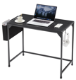 | 148 | \https://www.amazon.com/Computer-Shelves-Headphone-Reading-Writing/dp/B0DK1K17T6/ref=sr_1_1?crid=24JLO2UET8JQI&dib=eyJ2IjoiMSJ9.lS8sHUANK0i4k-_o5Sn0tw.m26Pdw_jCnyzXvzAx1VogNZMH9rgbqUuiZPYs14dB1s&dib_tag=se&keywords=B0DK8WSLTP&qid=1741661131&sprefix=b0dk8wsltp%2Caps%2C392&sr=8-1&th=1 |  | 37.5" x 22" x 4.5" (33 lbs) |  | CA 92337
SZ1-WH | 36" Study Table | White | 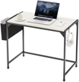 | 150 |  |  | 37.5" x 22" x 4.5" (33 lbs)
SZ1-WD | 36" Study Table | Wood | 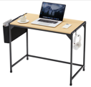 | 197 |  |  | 37.5" x 22" x 4.5" (33 lbs)
DNZS1-BL | 36" Study Computer Table | Black | 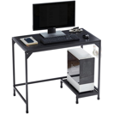 | 185 |  |  | 37.5" x 22" x 4.5" (29 lbs)
DNZS2-BL | 36" Study Computer Table | Black | 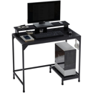 | 148 |  |  | 37.5" x 22" x 5" (33 lbs)
SZ2-WD | 36" Study Table with Fabric Drawers, Headphone Hooks & Storage Bag | Wood | 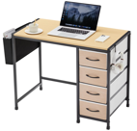 | 115 |  |  | 37.5" x 22" x 6" (33 lbs)
 |  |  |  | 943

